PRJEB13092 check
For PRJEB13092 (CFS), we found the most important two features were not taxon but additional meta-data in the TableS1 of the corresponding reference.
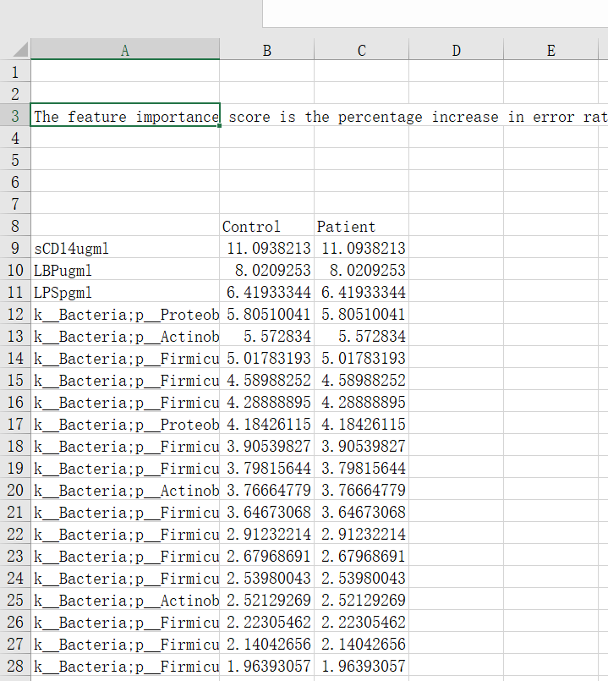

 | s

TableS1 of the corresponding reference (doi: 10.1186/s40168-016-0171-4).

PRJNA686821 check
For PRJNA686821 (ASD) 22, we found the reported internal AUC 0.82 was modeled by five top features that were selected from ALL SAMPLES (figure 2CD, methods in the corresponding reference), which could be over-fitting issues caused by label leakage.

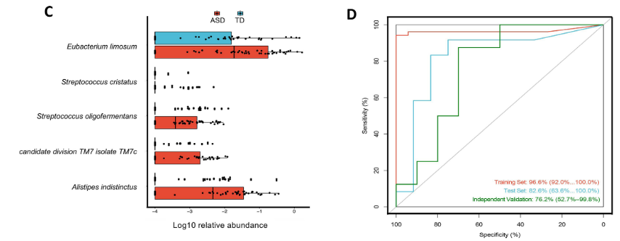

figure 2CD in the corresponding reference (doi: 10.1136/gutjnl-2020-324015)
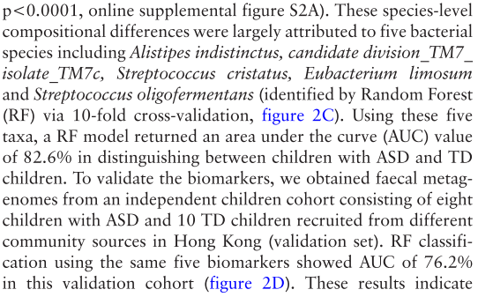

result description of figure2CD
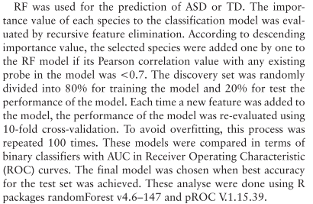

methods in the corresponding reference (doi: 10.1136/gutjnl-2020-324015), which indicated all sample information were used.

PRJNA496408 check
For PRJNA496408 23 (including MCI and AD), we found the reported internal AUC 0.89 and 0.94 was modeled by selected top features used by ALL SAMPLES in the training dataset (result in the corresponding reference), which could be over-fitting issues caused by label leakage.
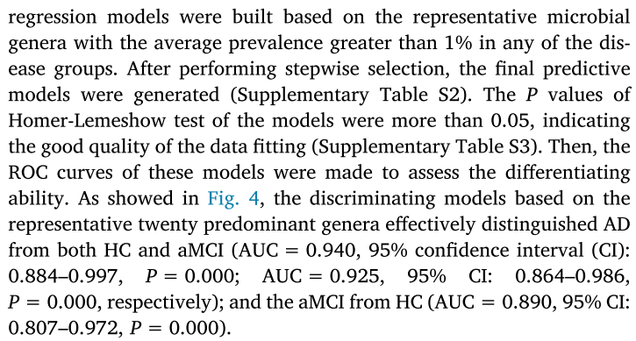

description in the corresponding reference (doi:10.1016/j.bbi.2019.05.008)

